Over View
 |  | General Accuracy |  |  |  |  |  |  |  |  |  | Equal Opportunity
 |  | Fold 1 |  | Fold 2 |  | Fold 3 |  | Fold 4 |  | Fold 5 |  | Fold 1 | Fold 2 | Fold 3 | Fold 4 | Fold 5
Submission | AUC-ROC Performance | Male | Female | Male | Female | Male | Female | Male | Female | Male | Female | TPR Diff | TPR Diff | TPR Diff | TPR Diff | TPR Diff
pearrr_original | 77.30% | 74.07% | 59.46% | 70.76% | 74.55% | 68.85% | 80.95% | 72.22% | 68.89% | 70.62% | 77.08% | 45.59% | 34.44% | 4.19% | 36.14% | 17.01%
abethe_original | 74.70% | 68.78% | 67.57% | 66.67% | 78.18% | 62.84% | 83.33% | 66.11% | 66.67% | 67.80% | 75.00% | 7.74% | 15.56% | 13.32% | 23.27% | -1.96%
amicie_original | 73.10% | 68.25% | 64.86% | 64.33% | 78.18% | 59.56% | 69.05% | 65.56% | 68.89% | 67.80% | 75.00% | 32.04% | 1.11% | 28.43% | 32.48% | 31.13%
ayoub_ghriss_original | 75.80% | 0.71957671958 | 67.57% | 0.70760233918 | 78.18% | 0.66666666667 | 80.95% | 0.66666666667 | 66.67% | 0.67796610169 | 68.75% | 30.97% | 18.89% | -0.62% | 20.72% | 21.13%
lbg_original | 78.70% | 0.73015873016 | 62.16% | 0.7134502924 | 69.09% | 0.65027322404 | 92.86% | 0.72222222222 | 71.11% | 0.70621468927 | 79.17% | 28.60% | 22.22% | -13.12% | 14.18% | 16.29%
mk_original | 73.20% | 0.7037037037 | 67.57% | 0.62573099415 | 74.55% | 0.63387978142 | 90.48% | 0.66111111111 | 68.89% | 0.61581920904 | 75.00% | 28.60% | 7.78% | -15.32% | 19.61% | 20.82%
nguigui_original | 73.50% | 0.68783068783 | 59.46% | 0.67251461988 | 76.36% | 0.64480874317 | 85.71% | 0.66111111111 | 73.33% | 0.67796610169 | 75.00% | 46.45% | 20.00% | -1.72% | 17.39% | 20.10%
Slasnista_original |  | 0.73544973545 | 62.16% | 0.68421052632 | 70.91% | 0.69398907104 | 88.10% | 0.68888888889 | 68.89% | 0.69491525424 | 75.00% | 49.68% | 27.78% | -9.82% | 27.71% | 21.13%
vzantedeschi_original | 73.90% | 0.67195767196 | 64.86% | 0.6432748538 | 76.36% | 0.65573770492 | 76.19% | 0.62777777778 | 68.89% | 0.64406779661 | 85.42% | 28.39% | 5.56% | 7.90% | 16.93% | 1.55%
wwwwmmmm_original | 75.10% | 0.70899470899 | 0.62162162162 | 0.67251461988 | 0.76363636364 | 0.68306010929 | 0.83333333333 | 0.68333333333 | 0.68888888889 | 0.68361581921 | 0.70833333333 | -15.48% | -1.11% | 1.10% | 3.33% | 1.03%

 | AUC-ROC Performance
pearrr_original | 77.30%
abethe_original | 74.70%
amicie_original | 73.10%
ayoub_ghriss_original | 75.80%
lbg_original | 78.70%
mk_original | 73.20%
nguigui_original | 73.50%
Slasnista_original
vzantedeschi_original | 73.90%
wwwwmmmm_original | 75.10%

Equal Opportunity Accuracy

amicie_original
 | General Accurracy: True Positive and True Negative Instances |  |  |  |  |  | Seed | 42 |  |  | Equal Opportunity: True Positive Instances |  |  |  |  |  | Seed | 42
 | Male |  |  | Female |  |  | Correct | Total |  |  | Male |  |  | Female |  |  | Correct | Total
Fold number | Correct | Total | Accuracy | Correct | Total | Accuracy | Male:Female | Male:Female | AVG | Fold number | Correct | Total | Accuracy | Correct | Total | Accuracy | Male:Female | Male:Female | TPR Difference
1 | 129 | 189 | 68.25% | 24 | 37 | 64.86% | 5.38:1 | 5.11:1 | 66.56% | 1 | 67 | 93 | 72.04% | 6 | 15 | 40.00% | 11.17:1 | 6.2:1 | 32.04%
2 | 110 | 171 | 64.33% | 43 | 55 | 78.18% | 2.56:1 | 3.11:1 | 71.25% | 2 | 66 | 90 | 73.33% | 13 | 18 | 72.22% | 5.08:1 | 5:1 | 1.11%
3 | 109 | 183 | 59.56% | 29 | 42 | 69.05% | 3.76:1 | 4.36:1 | 64.31% | 3 | 60 | 91 | 65.93% | 6 | 16 | 37.50% | 10:1 | 5.69:1 | 28.43%
4 | 118 | 180 | 65.56% | 31 | 45 | 68.89% | 3.81:1 | 4:1 | 67.22% | 4 | 61 | 90 | 67.78% | 6 | 17 | 35.29% | 10.17:1 | 5.29:1 | 32.48%
5 | 120 | 177 | 67.80% | 36 | 48 | 75.00% | 3.33:1 | 3.69:1 | 71.40% | 5 | 69 | 97 | 71.13% | 4 | 10 | 40.00% | 17.25:1 | 9.7:1 | 31.13%
Averages | 117.2 | 180 | 65% | 32.6 | 45.4 | 71% | 3.6:1 | 3.96:1 | 68.15% | Averages | 64.6 | 92.2 | 70% | 7 | 15.2 | 45% | 9.23:1 | 6.07:1 | 25.04%

Run Time: | 10min | Locally

ROC-AUC | Mean | Std
Training Score | 0.962 | 0.008
Validation | 0.731 | 0.032

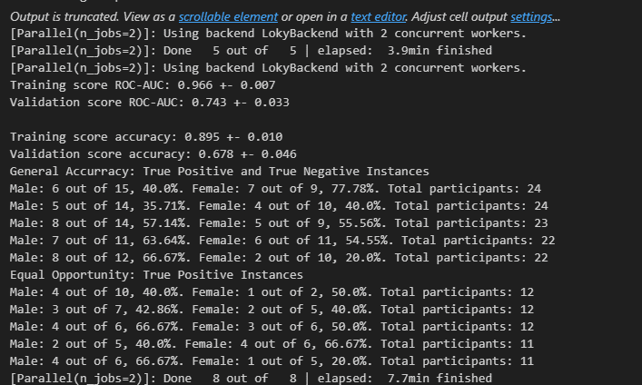
Accuracy
Training Score | 0.897 | 0.009
Validation | 0.663 | 0.033

